Tensioner
Modelling |  |  |  | BOP Weight Check
Tensioner End A Z Coordinate |  | 45 | m | Tension below tensioner | 5235 | kN
Tensioner End B Z Coordinate |  | 9.14 | m | BOP/LMRP Weight | 1074.3 | kN
 |  |  |  |  | 109.5 | Te
 |  |  |  |  | 241.4 | kips

Tension | Total Tension | Length | For each Tensioner
 | (kN) | (m) | (kN)

Nominal Tension -2 | 5621.6 | 0.0 | 1405.4
Nominal Tension -1 | 5678.4 | 28.8 | 1419.6
Nominal Tension | 6309.3 | 35.9 | 1577.3
Nominal Tension 1 | 7571.2 | 45.4 | 1892.8
Nominal Tension 2 | 75711.8 | 45.9 | 18927.9

Force vs Displacement

Riser
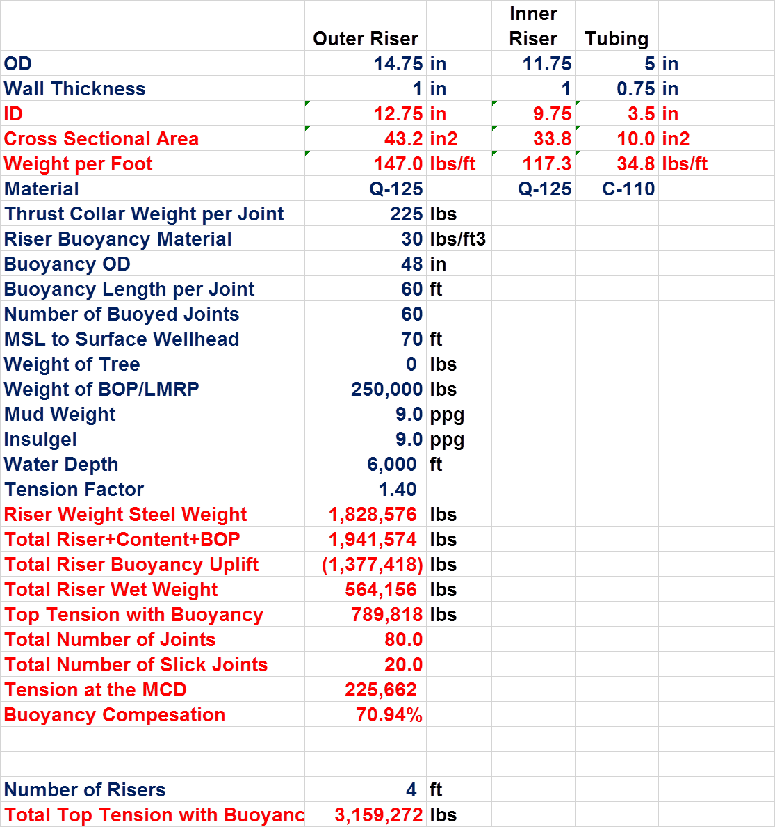
Material Properties
Density | lb/ft^3 | 490 |  |  |  | Done
 | kg/m^3 | 7786.8840121 |  |  |  | Done
Material Strength | Ksi | 125 |  |  |  | Done
 | Mpa | 862.125 |  |  |  | Done
Sea Water Density | ppg | 8.55 |  |  |  | Done
 | Kg/m3 | 1025 |  |  |  | Done
Mud Density | ppg | 9 |  |  |  | Done
 | Kg/m3 | 1078.9473684 |  |  |  | Done
Insulgel | ppg | 9 |  |  |  | Done
 | Kg/m3 | 1078.9473684 |  |  |  | Done
Riser Buoyancy Material | lb/ft^3 | 30 |  |  |  | Done
 | kg/m^3 | 476.74800074 |  |  |  | Done
 |  |  |  |  |  | Done
Riser joints |  |  |  |  |  | Done
No of buoyed Joints | - | 60 |  |  |  | Done
No.of Slick Joints | - | 20 |  |  |  | Done
Total Joints | - | 80 |  |  |  | Done
Length of Riser Joint | ft | 75 |  |  |  | Done
 | m | 22.86 |  |  |  | Not Matching
Buoyancy Length per joint | ft | 60 |  |  |  | Not Matching
 | m | 18.288 |  |  |  | Not Matching
 |  |  |  |  |  | Not Matching
Water Depth | ft | 6000 |  |  |  | Not Matching
 | m | 1828.8 |  |  |  | Matching
MSL to surface Wellhead | ft | 70 |  |  |  | Matching
 | m | 21.336
Total Riser length (LMRP+BOP+Riser) | ft | 6070
 | m | 1850.136
Heavy Equipment
Weight of Tree | lb | 0
 | kg | 0
 | te | 0
Weight of BOP/LMRP | lb | 250000
 | kg | 113398
 | te | 113.398
Riser Component weight
Weight of Thrust collar per joint | lbs | 225
 | kg | 102.0582
 | te | 0.1020582
Tensioners
Tension Factor | - | 1.4

Outer Riser |  |  | Inner Riser
Outer riser outer diameter | in | 14.75 | Inner riser outer diameter | in | 11.75
 | m | 0.37465 |  | m | 0.29845
Thickness of outer riser | in | 1 | Thickness of inner riser | in | 1
 | m | 0.0254 |  | m | 0.0254
Outer riser inner diameter | in | 12.75 | Inner riser inner diameter | in | 9.75
 | m | 0.32385 |  | m | 0.24765
Cross sectional area of outer riser | in2 | 43.196898987 | Cross sectional area | in2 | 33.772121026
 | m2 | 0.02786891135 |  | m2 | 0.021788421601
Buoyancy outer diameter | in | 48 | Internal Area | in^2 | 74.661912908
 | m | 1.2 |  | m^2 | 0.048168879732
Buoyancy module area | in^2 | 1638.7
 | m^2 | 1.1

Volume of water displaced by buoyancy per joint | ft3 | 754.0
 | m3 | 21.4

Weight per unit length of outer riser | lb/ft | 147.0 | Weight per unit length of inner riser | lb/ft | 114.91902294
 | kg/m | 217.0 |  | kg/m | 169.66391181
 | te/m | 0.2 |  | te/m | 0.16966391181
Weight of outer riser per joint | lb | 11024.2 | Weight of inner riser per joint | lb | 8618.9267202
 | kg | 4960.9 |  | kg | 3878.5170241
 | te | 5.0 |  | te | 3.8785170241
Weight of outer riser per 80 joints | lb | 881936.7 | Weight of inner riser per 80 joints | lb | 689514.13762
 | kg | 396871.5 |  | kg | 310281.36193
 | te | 396.9 |  | te | 310.28136193
Weight of Thrust collar per 80 joints | lbs | 18000.0 | Internal Fluid mass per unit length | lb/ft | 34.92277315
 | kg | 8164.7 |  | kg/m | 51.971686026
 | te | 8.2 |  | te/m | 0.051971686026
Insulgel flow area | in^2 | 19.2 | Internal Fluid mass per 80 Joints | lb | 209536.6389
 | m^2 | 0.0 |  | kg | 95045.819405
Insulgel weight per unit length | lb/ft | 19.8 |  | Te | 95.045819405
 | kg/m | 13.4
 | te/m | 0.0
Insulgel weight per riser joint | lb | 1483.1
 | kg | 1004.6
 | te | 1.0
Insulgel weight per 80 joints | lb | 118651.3
 | kg | 80366.5
 | te | 80.4
Weight of buoyancy module per unit length | lb/ft | 341.4
 | kg/m | 504.0
 | te/m | 0.5
Weight of buoyancy module for 60 joints | lb | 1536266.4
 | kg | 691319.9 | RS Values
 | te | 691.3
Buoyancy for all buoyant joints | lb | 48631.5
 | kg | 21884.2
 | te | 21.9
Buoyancy for all Slick Joints | lb | 183687.2
 | kg | 82659.2
 | te | 82.7
Riser Steel Weight | lb | 1839450.8 | 1828576 | 0.59471551986
 | kg | 715317.5
 | te | 715.3
Weight of Riser+Gel+BOP/LMRP | lb | 1958102.1 | 1941574 | 0.85127397876
 | kg | 909082.0
 | te | 909.1
Buoyancy Offered for total Riser, 60 Joints | lb | 1565308.7 | 1377418 | 13.640790014
 | kg | 704388.9
 | te | 704.4
Riser wet weight | lb | 392793.4 | 564156 | -30.375035054
 | kg | 204693.1
 | te | 204.7
Top Tension | lb | 549910.8
 | kg | 286570.3
 | te | 286.6

Tension at MCD | lb | 157117.4 | 225662 | -30.374911639
 | kg | 71268.4 | 102360.3
 | te | 71.3 | 102.4

Tension Factor |  | 1.4
Total Tension in support spring | N | 25237265.3
 | KN | 25237.3

Tensioners
No. of. Tensioners |  | 4.0
Nominal Tension | kN | 6309.3

Stroke & Stretch
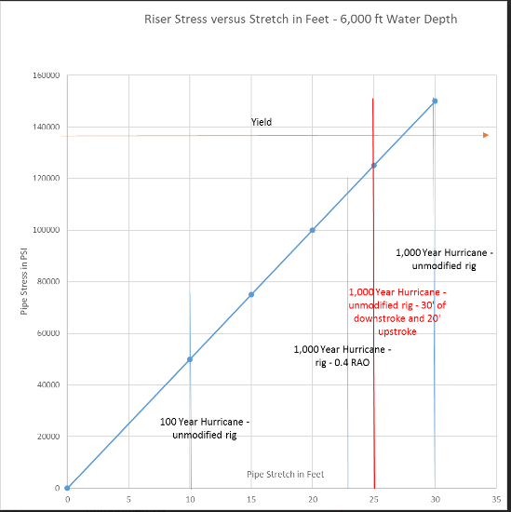
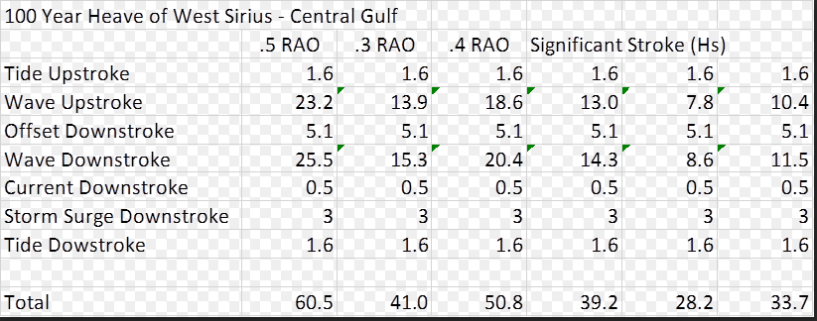

100 Year Heave (ft) of West Sirius- Central Gulf
 | .5 Heave RAO | .4 Heave RAO | .3 Heave RAO | For Riser Analysis
Tide Stroke | 1.6 | 1.6 | 1900-01-01 14:24:00 | Upstroke | 23.2 | ft | 1900-01-07 01:26:10 | m
Wave Upstroke | 23.2 | 18.5 | 13.9 | Downstroke | 31.2 | ft | 1900-01-09 12:13:19 | m
Offset DownStroke | 5.1 | 1900-01-05 02:24:00 | 1900-01-05 02:24:00
Wave DownStroke | 25.5 | 20.4 | 15.3
Current Downstroke | 0.5 | 0.5 | 0.5
Storm Surge Downstroke | 3.0 | 1900-01-03 | 1900-01-03
Tide DownStroke | 1.6 | 1900-01-01 14:24:00 | 1900-01-01 14:24:00

Total | 60.6 | 50.8 | 41.0

1000 year Heave (ft) of West Sirius - Central Gulf
 | .5 Heave RAO | .4 Heave RAO | .3 Heave RAO
Tide Stroke | 1.6 | 1.6 | 1900-01-01 14:24:00
Wave Upstroke | 37.2 | 29.8 | 22.3
Offset DownStroke | 11.4 | 1900-01-05 02:24:00 | 1900-01-05 02:24:00
Wave DownStroke | 37.4 | 30.0 | 22.5
Current Downstroke | 0.5 | 0.5 | 0.5
Storm Surge Downstroke | 3.0 | 1900-01-03 | 1900-01-03
Tide DownStroke | 1.6 | 1900-01-01 14:24:00 | 1900-01-01 14:24:00

Total | 92.8 | 71.6 | 56.6

Stroke-Stretch
Tensioner Stroke and Riser Stretch 14.75" X 11.75" Riser, Elastic & Elastic-Plastic Materials
 | Tensioner Stroke | Riser Stretch | Vessel Heave
0 | 0.00 |  | 0.00
0.1 | 0.00 |  | 0.00
0.2 | 0.00 |  | 0.00
0.3 | 0.00 |  | 0.00
0.4 | 0.00 |  | 0.00
0.5 | 0.00 |  | 0.00
0.6 | 0.00 |  | 0.00
0.7 | 0.00 |  | 0.00
0.8 | 0.00 |  | 0.00
0.9 | 0.00 |  | 0.00
1 | 0.00 |  | 0.00
1.1 | 0.01 |  | 0.00
1.2 | 0.01 |  | 0.00
1.3 | 0.01 |  | 0.00
1.4 | 0.02 |  | 0.00
1.5 | 0.02 |  | 0.00
1.6 | 0.02 |  | 0.00
1.7 | 0.02 |  | 0.00
1.8 | 0.03 |  | 0.00
1.9 | 0.03 |  | 0.00
2 | 0.03 |  | 0.00
2.1 | 0.03 |  | 0.00
2.2 | 0.03 |  | 0.00
2.3 | 0.03 |  | 0.00
2.4 | 0.03 |  | 0.00
2.5 | 0.03 |  | 0.00
2.6 | 0.03 |  | 0.00
2.7 | 0.02 |  | 0.00
2.8 | 0.02 |  | 0.00
2.9 | 0.02 |  | 0.00
3 | 0.01 |  | 0.00
3.1 | 0.01 |  | 0.00
3.2 | 0.01 |  | 0.00
3.3 | 0.00 |  | 0.00
3.4 | 0.00 |  | 0.00
3.5 | 0.00 |  | 0.00
3.6 | -0.01 |  | 0.00
3.7 | -0.01 |  | 0.00
3.8 | -0.01 |  | 0.00
3.9 | -0.01 |  | 0.00
4 | -0.02 |  | 0.00
4.1 | -0.02 |  | 0.00
4.2 | -0.02 |  | 0.00
4.3 | -0.02 |  | 0.00
4.4 | -0.02 |  | 0.00
4.5 | -0.02 |  | 0.00
4.6 | -0.02 |  | 0.00
4.7 | -0.02 |  | 0.00
4.8 | -0.02 |  | 0.00
4.9 | -0.02 |  | 0.00
...

Tension-Stress
Stress Response of Riser 14.75" X 11.75" Riser, Elastic & Elastic-Plastic Materials
 | Stress (Elastic) | Stress (Elastic-Plastic) | Tension
0 | 16.1 | 16.1 | 1175.3
0.1 | 16.0 | 16.0 | 1175.3
0.2 | 15.8 | 15.8 | 1175.3
0.3 | 15.7 | 15.6 | 1175.4
0.4 | 15.5 | 15.5 | 1175.4
0.5 | 15.3 | 15.3 | 1175.5
0.6 | 15.5 | 15.5 | 1175.5
0.7 | 15.8 | 15.8 | 1175.6
0.8 | 16.1 | 16.1 | 1175.6
0.9 | 16.3 | 16.3 | 1175.6
1 | 16.6 | 16.6 | 1175.6
1.1 | 16.9 | 16.9 | 1175.6
1.2 | 17.1 | 17.1 | 1175.6
1.3 | 17.4 | 17.4 | 1175.5
1.4 | 17.6 | 17.6 | 1175.4
1.5 | 17.9 | 17.9 | 1175.3
1.6 | 18.1 | 18.1 | 1175.2
1.7 | 18.2 | 18.2 | 1175.1
1.8 | 18.4 | 18.4 | 1175.0
1.9 | 18.5 | 18.5 | 1174.9
2 | 18.6 | 18.6 | 1174.8
2.1 | 18.7 | 18.7 | 1174.7
2.2 | 18.7 | 18.7 | 1174.7
2.3 | 18.7 | 18.7 | 1174.7
2.4 | 18.7 | 18.7 | 1174.7
2.5 | 18.6 | 18.6 | 1174.7
2.6 | 18.6 | 18.6 | 1174.7
2.7 | 18.5 | 18.5 | 1174.8
2.8 | 18.3 | 18.3 | 1174.8
2.9 | 18.2 | 18.2 | 1174.9
3 | 18.0 | 18.0 | 1175.0
3.1 | 17.8 | 17.8 | 1175.1
3.2 | 17.6 | 17.6 | 1175.2
3.3 | 17.4 | 17.4 | 1175.3
3.4 | 17.2 | 17.2 | 1175.3
3.5 | 17.0 | 17.0 | 1175.3
3.6 | 16.7 | 16.7 | 1175.4
3.7 | 16.5 | 16.5 | 1175.4
3.8 | 16.3 | 16.3 | 1175.3
3.9 | 16.0 | 16.0 | 1175.3
4 | 15.8 | 15.8 | 1175.2
4.1 | 15.6 | 15.6 | 1175.2
4.2 | 15.5 | 15.5 | 1175.1
4.3 | 15.3 | 15.3 | 1175.0
4.4 | 15.4 | 15.4 | 1175.0
4.5 | 15.5 | 15.5 | 1174.9
4.6 | 15.6 | 15.6 | 1174.9
4.7 | 15.7 | 15.7 | 1174.8
4.8 | 15.8 | 15.8 | 1174.8
4.9 | 15.8 | 15.8 | 1174.8
...

Tension-Strain
Strain Response of Riser 14.75" X 11.75" Riser, Elastic & Elastic-Plastic Materials
 | Strain (Elastic) | Strain (Elastic-Plastic) | Tension
0 | 0.05 | 0.052336519928 | 1175.3
0.1 | 0.05 | 0.051937537648 | 1175.3
0.2 | 0.05 | 0.051461691517 | 1175.3
0.3 | 0.05 | 0.050901050759 | 1175.4
0.4 | 0.05 | 0.050258641872 | 1175.4
0.5 | 0.05 | 0.049729647747 | 1175.5
0.6 | 0.05 | 0.050520159286 | 1175.5
0.7 | 0.05 | 0.05136247585 | 1175.6
0.8 | 0.05 | 0.052234296026 | 1175.6
0.9 | 0.05 | 0.053122859773 | 1175.6
1 | 0.05 | 0.054012290951 | 1175.6
1.1 | 0.05 | 0.054893070373 | 1175.6
1.2 | 0.06 | 0.055749381673 | 1175.6
1.3 | 0.06 | 0.056570188466 | 1175.5
1.4 | 0.06 | 0.057342886982 | 1175.4
1.5 | 0.06 | 0.058062816835 | 1175.3
1.6 | 0.06 | 0.05871433084 | 1175.2
1.7 | 0.06 | 0.059289745549 | 1175.1
1.8 | 0.06 | 0.05978299646 | 1175.0
1.9 | 0.06 | 0.060189584167 | 1174.9
2 | 0.06 | 0.060504966905 | 1174.8
2.1 | 0.06 | 0.060721420739 | 1174.7
2.2 | 0.06 | 0.06084383332 | 1174.7
2.3 | 0.06 | 0.060869175067 | 1174.7
2.4 | 0.06 | 0.060797544481 | 1174.7
2.5 | 0.06 | 0.060633717286 | 1174.7
2.6 | 0.06 | 0.060377646911 | 1174.7
2.7 | 0.06 | 0.060037114605 | 1174.8
2.8 | 0.06 | 0.059618245359 | 1174.8
2.9 | 0.06 | 0.059125563827 | 1174.9
3 | 0.06 | 0.058568305013 | 1175.0
3.1 | 0.06 | 0.057955732948 | 1175.1
3.2 | 0.06 | 0.057297104774 | 1175.2
3.3 | 0.06 | 0.056598550094 | 1175.3
3.4 | 0.06 | 0.055872517039 | 1175.3
3.5 | 0.06 | 0.05513148623 | 1175.3
3.6 | 0.05 | 0.054383278262 | 1175.4
3.7 | 0.05 | 0.053634207712 | 1175.4
3.8 | 0.05 | 0.052896978078 | 1175.3
3.9 | 0.05 | 0.05218118801 | 1175.3
4 | 0.05 | 0.051496460874 | 1175.2
4.1 | 0.05 | 0.050850852583 | 1175.2
4.2 | 0.05 | 0.050252427678 | 1175.1
4.3 | 0.05 | 0.04970609842 | 1175.0
4.4 | 0.05 | 0.05000063218 | 1175.0
4.5 | 0.05 | 0.050416682608 | 1174.9
4.6 | 0.05 | 0.050765240644 | 1174.9
4.7 | 0.05 | 0.051038509374 | 1174.8
4.8 | 0.05 | 0.051236507309 | 1174.8
4.9 | 0.05 | 0.051357639323 | 1174.8
...

ET_Chart
Production Riser, Effective Tension vs ArcLength
 | EL |  | RO
0 | 0 | 0 | 0
-25.724517169 | 1.2 | -25.724515614 | 1.2
-62.574088343 | 3.3 | -62.574088343 | 3.3
-84.822472933 | 5.1 | -84.822472933 | 5.1
-96.467364794 | 6.9997084548 | -96.467364794 | 6.9997084548
8286.6255734 | 8.9991253644 | 8286.6255734 | 8.9991253644
8285.4963048 | 10.998542274 | 8285.4963048 | 10.998542274
8284.3590724 | 12.997959184 | 8284.3590724 | 12.997959184
8283.2210436 | 14.997376093 | 8283.2210436 | 14.997376093
8282.0830148 | 16.996793003 | 8282.0830148 | 16.996793003
8280.944986 | 18.996209913 | 8280.944986 | 18.996209913
8279.8069572 | 20.995626822 | 8279.8069572 | 20.995626822
8278.6689284 | 22.995043732 | 8278.6689284 | 22.995043732
8277.5308996 | 24.994460641 | 8277.5308996 | 24.994460641
8276.3928708 | 26.993877551 | 8276.3928708 | 26.993877551
8275.9660104 | 28.993294461 | 8275.9660104 | 28.993294461
8275.559856 | 30.99271137 | 8275.559856 | 30.99271137
8275.1529052 | 32.99212828 | 8275.1529052 | 32.99212828
8274.7467508 | 34.99154519 | 8274.7467508 | 34.99154519
8274.3397999 | 36.990962099 | 8274.3397999 | 36.990962099
8273.9336455 | 38.990379009 | 8273.9336455 | 38.990379009
8273.5266947 | 40.989795918 | 8273.5266947 | 40.989795918
8273.1205403 | 42.989212828 | 8273.1205403 | 42.989212828
8272.7135894 | 44.988629738 | 8272.7135894 | 44.988629738
8272.307435 | 46.988046647 | 8272.307435 | 46.988046647
8271.9004842 | 48.987463557 | 8271.9004842 | 48.987463557
8271.4943298 | 50.986880466 | 8271.4943298 | 50.986880466
8271.0881753 | 52.986297376 | 8271.0881753 | 52.986297376
8270.6812245 | 54.985714286 | 8270.6812245 | 54.985714286
8270.2750701 | 56.985131195 | 8270.2750701 | 56.985131195
8269.8681193 | 58.984548105 | 8269.8681193 | 58.984548105
8269.4619648 | 60.983965015 | 8269.4619648 | 60.983965015
8269.0558104 | 62.983381924 | 8269.0558104 | 62.983381924
8268.6488596 | 64.982798834 | 8268.6488596 | 64.982798834
8268.2427051 | 66.982215743 | 8268.2427051 | 66.982215743
8267.8357543 | 68.981632653 | 8267.8357543 | 68.981632653
8267.4295999 | 70.981049563 | 8267.4295999 | 70.981049563
8267.0234455 | 72.980466472 | 8267.0234455 | 72.980466472
8266.6164946 | 74.979883382 | 8266.6164946 | 74.979883382
8266.2103402 | 76.979300292 | 8266.2103402 | 76.979300292
8265.8041858 | 78.978717201 | 8265.8041858 | 78.978717201
8265.397235 | 80.978134111 | 8265.397235 | 80.978134111
8264.9910805 | 82.97755102 | 8264.9910805 | 82.97755102
8264.5849261 | 84.97696793 | 8264.5849261 | 84.97696793
8264.1779753 | 86.97638484 | 8264.1779753 | 86.97638484
8263.7718208 | 88.975801749 | 8263.7718208 | 88.975801749
8263.36487 | 90.975218659 | 8263.36487 | 90.975218659
8262.9587156 | 92.974635569 | 8262.9587156 | 92.974635569
8262.5525612 | 94.974052478 | 8262.5525612 | 94.974052478
8262.1464067 | 96.973469388 | 8262.1464067 | 96.973469388
...

VM_Chart
Production Riser, VM Stress vs ArcLength

